Introduction
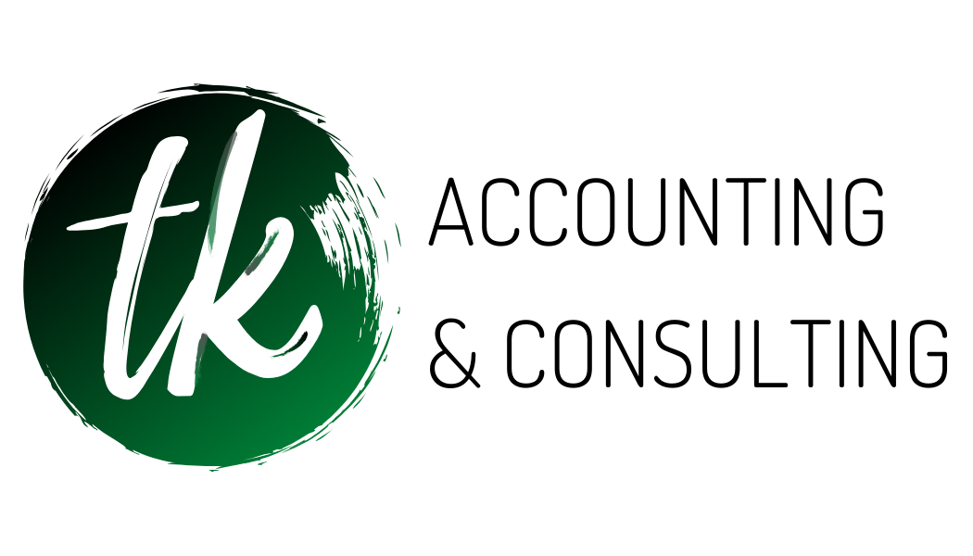 | TK Accounting & Consulting 1016 Thomas Dr. Suite 154 Panama City, FL 32408
The 2020 Tax Organizer will assist you in collecting and reporting information necesssary for us to properly prepare your 2019 income tax return. Please completed the organizer sections as appropriate and provide supporting documentation where necessary. Prior year data is included in the organizer sections for your reference.

Please provide us with the following additional information:
A copy of your 2019 tax return, if not prepared by this office
Form(s) W-2 (wages, etc)
Form(s) 1099 (interest, dividents, etc.)
Schedule(s) K-1 (income /loss from partnerships, S corporations, etc)
Form(s) 1098 (mortgage interest) and property tax statements
Brokerage statements from stock, bond or other investment transactions
Closing statements pertaining to real estate transactions
Form(s) 1099-K (Merchant Card and Third Party Network Paymentts)
All other supporting documents (schedules, checkbooks, etc.)
Any tax notices received from the IRS or other taxing authorities

Thank you for your help in the competion of the Tax Organizer. Please contact us if you need further assistance.
Sincerely,

Kelly Cronin & Tiffany Bateman

Owners of TK Accounting & Consulting

